assignment1
Assignment 1: | Display unique customer's as well as Employees FullName,Address,City,Region,PostalCode,Country,Phone whose name starts with character 'A'.

Query: | SELECT C.ContactName AS "FullName",C.Address,C.City,C.Region,C.PostalCode,C.Country,C.Phone FROM customers AS C WHERE C.ContactName LIKE 'A%' UNION SELECT CONCAT(E.FirstName,' ',E.LastName) AS "FullName",E.Address,E.City,E.Region,E.PostalCode,E.Country,E.HomePhone FROM employees AS E WHERE E.FirstName LIKE 'A%';

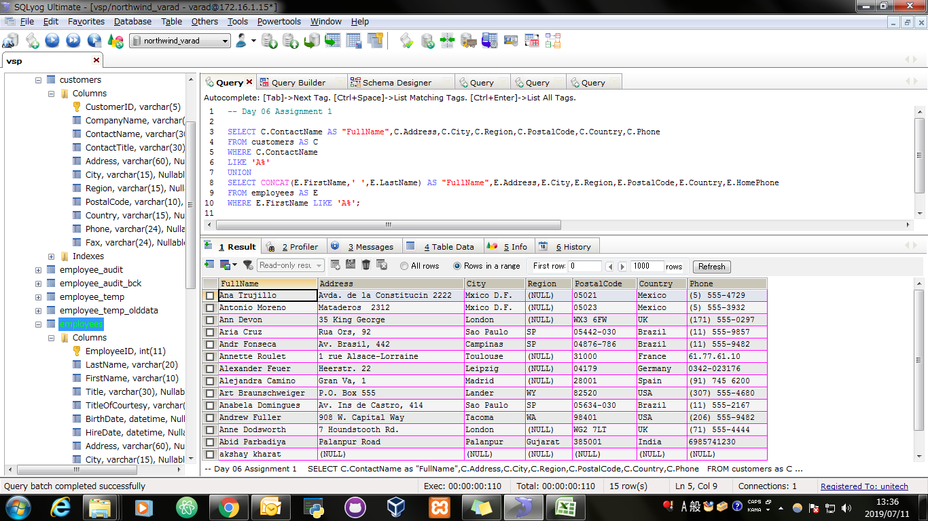
Screen Shoot:

assignment2
Assignment 2: | Display customer's as well as Employees FullName,Address,City,Region,PostalCode,Country,Phone who are living in india

Query: | SELECT C.ContactName AS "FullName",C.Address,C.City,C.Region,C.PostalCode,C.Country,C.Phone FROM customers AS C WHERE C.Country = "India" UNION ALL SELECT CONCAT(E.FirstName,' ',E.LastName) AS "FullName",E.Address,E.City,E.Region,E.PostalCode,E.Country,E.HomePhone FROM employees AS E WHERE E.Country = "India";

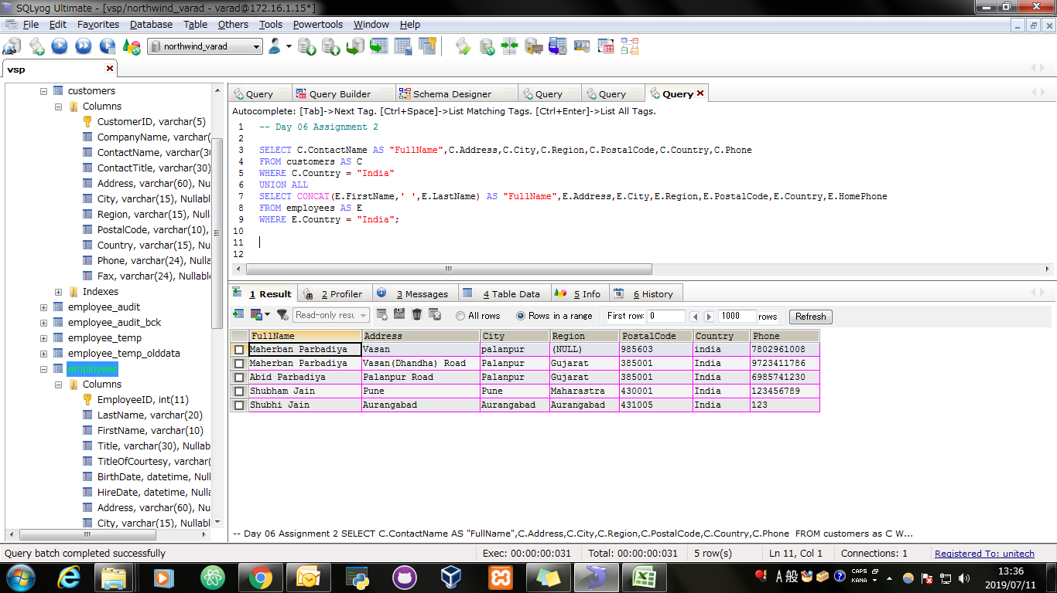
Screen Shoot:

